Spotlight ETPs
Spotlight: ETPs

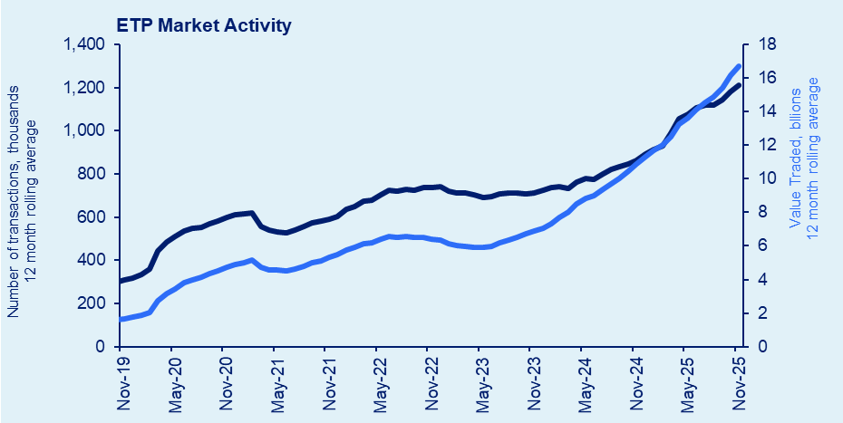
ETP Summary - November 2025 |  |  |  |  |  |  |  |  |  |  |  |  | Transaction days: 20 / Period ending: Friday, 28 November 2025
Month: | Nov-25 |  | Transaction days: | 20 |  |  |  |  | Period ending: |  | 2025-11-28
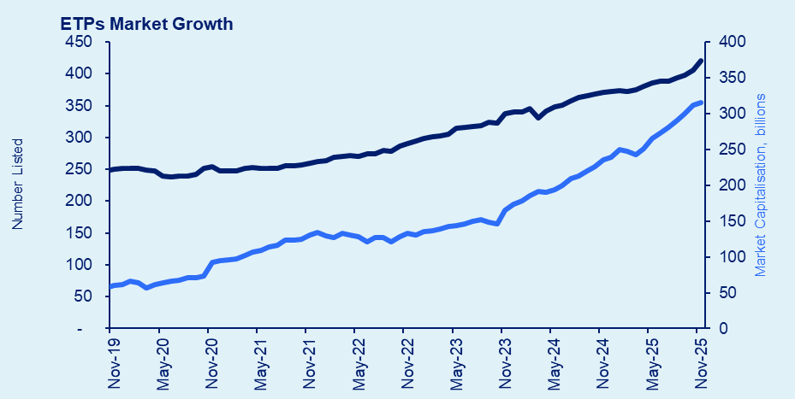

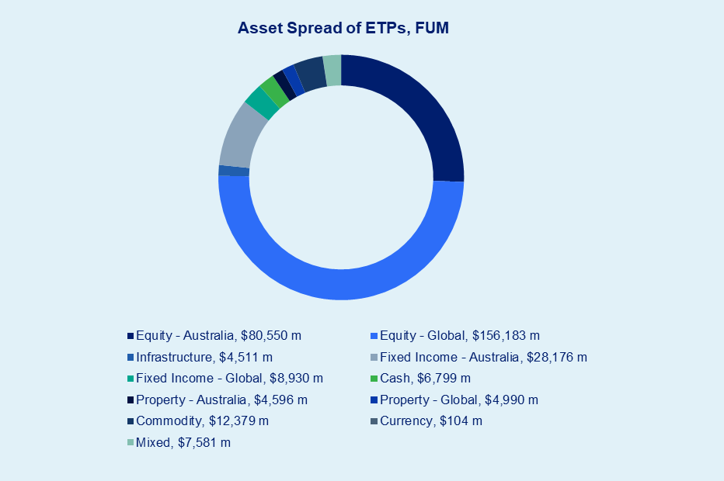
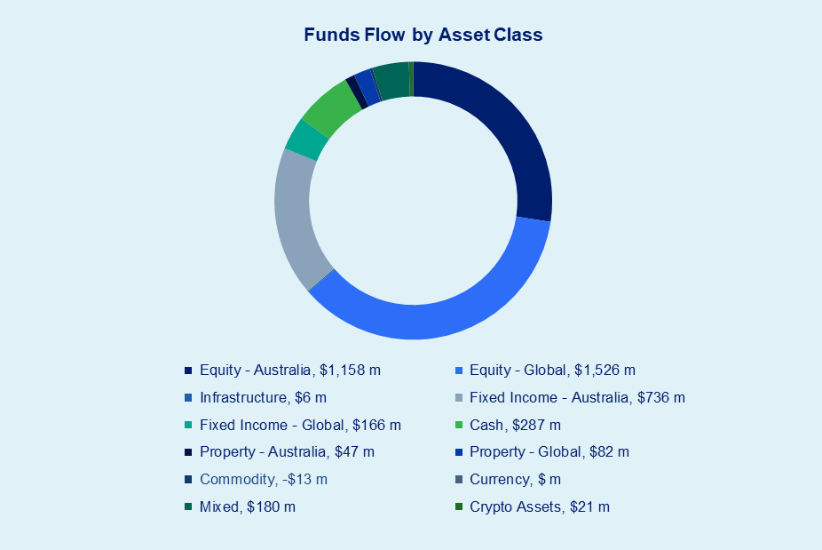

 |  |  | FUM | FUM Change | Funds Flow | 12M Funds Flow | CHESS FUM | CHESS FUM Change | CHESS Funds Flow | 12M CHESS Funds Flow | Value Traded
Issuer |  | Products | ($m) | ($m) | ($m) | ($m) | ($m) | ($m) | ($m) | ($m) | ($m) | Transactions
abrdn / MSC |  | 1 | $1.4 | $0.1 | $0.0 | $0.3 | $1.4 | -$0.1 | $0.0 | $0.3 | $0.0 | 41
Alphinity / Fidante |  | 2 | $512.2 | -$20.2 | -$13.8 | -$201.6 | $33.7 | -$0.6 | -$0.2 | -$2.2 | $1.5 | 90
Antipodes / Pinnacle |  | 2 | $412.5 | $43.1 | $17.1 | $13.4 | $387.7 | $20.2 | $12.7 | $32.7 | $19.2 | 912
Aoris / Trust Company |  | 2 | $314.0 | -$0.6 | $4.7 | $107.1 | $313.9 | $0.1 | $4.8 | $126.2 | $13.0 | 521
Apostle Dundas / K2 |  | 1 | $17.1 | -$0.2 | -$0.3 | -$4.0 | $17.1 | -$0.2 | -$0.3 | -$3.9 | $0.4 | 25
Ardea / Fidante |  | 1 | $166.6 | -$1.6 | -$2.7 | -$139.9 | $167.0 | -$1.0 | -$2.1 | -$140.9 | $5.4 | 413
Associate Global Partners |  | 2 | $435.5 | -$20.0 | -$4.5 | -$2.9 | $423.9 | -$19.6 | -$4.5 | -$5.2 | $21.1 | 2,173
Ausbil |  | 3 | $913.4 | -$26.6 | -$14.5 | $82.3 | $28.9 | $6.6 | $7.0 | $29.4 | $7.5 | 206
Betashares |  | 101 | $61,166.6 | $308.7 | $1,235.9 | $13,150.5 | $61,159.3 | $289.2 | $1,212.1 | $13,222.5 | $5,095.7 | 419,121
Candriam / Ausbil |  | 1 | $176.5 | $2.8 | $1.2 | $9.9 | $0.0 | $0.0 | $0.0 | $0.0 | $0.0 | 1
Claremont |  | 2 | $143.0 | -$3.2 | -$4.6 | -$34.4 | $33.2 | -$0.0 | -$0.3 | $2.3 | $2.2 | 79
ClearBridge / Franklin Templeton |  | 3 | $3,194.2 | $111.3 | $18.1 | $258.6 | $60.6 | $6.1 | $4.4 | $57.1 | $4.9 | 143
Daintree / Perennial |  | 2 | $116.5 | $2.9 | $3.1 | $30.3 | $85.1 | $3.7 | $3.7 | $28.3 | $5.5 | 152
Digital X / K2 |  | 1 | $50.1 | -$11.4 | -$1.1 | $51.0 | $50.3 | -$11.1 | -$0.6 | $51.5 | $5.7 | 790
DFA |  | 6 | $18,089.2 | $33.8 | $23.4 | $860.9 | $546.7 | $24.3 | $24.1 | $184.7 | $40.3 | 2,773
Ellerston |  | 1 | $36.7 | -$1.8 | $0.0 | -$3.5 | $35.7 | -$1.8 | $0.0 | -$3.3 | $0.2 | 137
ETF Shares |  | 3 | $61.3 | $61.3 | $0.0 | $0.0 | $61.2 | $61.2 | $61.2 | $61.2 | $0.6 | 74
Fidelity |  | 5 | $232.4 | -$1.8 | $3.1 | $5.1 | $232.8 | -$1.2 | $2.6 | $5.1 | $12.5 | 2,223
Firetrail / Pinnacle |  | 2 | $461.4 | $24.9 | $24.9 | $181.2 | $191.9 | $17.8 | $18.2 | $142.6 | $24.9 | 2,038
First Sentier / Perpetual |  | 1 | $110.4 | -$1.3 | $8.8 | $33.8 | $10.9 | $1.9 | $2.8 | $12.1 | $6.7 | 418
Franklin Templeton |  | 3 | $1,520.7 | -$77.4 | -$66.0 | -$153.8 | $60.4 | $0.4 | $1.0 | $43.8 | $1.4 | 180
GCQ / EQT |  | 1 | $228.7 | $0.9 | $11.4 | $235.9 | $223.3 | $2.2 | $12.4 | $231.4 | $24.5 | 911
Global X |  | 45 | $14,600.9 | $393.7 | $94.7 | $2,607.5 | $14,562.6 | $388.7 | $88.4 | $2,346.1 | $1,508.0 | 142,552
Hejaz / EQT |  | 5 | $83.9 | $6.2 | $6.8 | -$10.1 | $38.1 | $6.5 | $6.8 | -$4.9 | $7.0 | 675
Hyperion / Pinnacle |  | 1 | $3,695.9 | -$356.5 | $27.5 | $120.0 | $1,076.0 | -$84.4 | $25.1 | $125.6 | $71.0 | 5,334
IML |  | 2 | $22.8 | $1.5 | $1.7 | $19.8 | $22.4 | $1.5 | $1.7 | $18.8 | $2.2 | 106
InvestSMART |  | 4 | $315.4 | -$5.6 | -$3.6 | -$18.8 | $275.7 | -$3.9 | -$2.2 | -$15.0 | $5.6 | 428
iShares |  | 51 | $54,559.7 | $397.5 | $670.8 | $8,065.7 | $54,476.0 | $362.8 | $642.8 | $8,149.6 | $3,799.3 | 280,022
Janus Henderson |  | 3 | $5.4 | $0.6 | $0.7 | $2.0 | $5.3 | $0.4 | $0.5 | $2.0 | $1.6 | 120
JPMAM / Perpetual |  | 12 | $424.8 | $21.0 | $9.9 | $234.9 | $426.1 | $22.5 | $18.6 | $162.4 | $29.5 | 3,537
K2 |  | 1 | $11.4 | -$0.3 | -$0.1 | -$2.6 | $6.4 | -$0.2 | -$0.1 | -$2.4 | $0.2 | 20
L1 Capital / EQT |  | 2 | $508.5 | -$0.3 | $10.6 | $158.9 | $134.8 | $0.3 | $3.2 | $55.0 | $4.9 | 289
Lakehouse Capital |  | 1 | $312.2 | -$38.0 | -$9.8 | $17.1 | $20.1 | -$1.2 | $0.5 | $24.3 | $2.3 | 373
Lanyon Investment |  | 1 | $144.2 | -$3.1 | -$3.8 | -$8.2 | $7.4 | -$0.3 | -$0.4 | $1.7 | $0.5 | 39
Loftus Peak / EQT |  | 2 | $806.4 | -$37.0 | $24.5 | $107.3 | $311.2 | -$17.0 | $6.7 | $22.4 | $21.0 | 1,605
Loomis / IML |  | 1 | $44.2 | -$3.1 | -$0.5 | $9.7 | $28.2 | -$2.5 | -$0.8 | $2.9 | $2.0 | 105
Macquarie |  | 7 | $1,479.6 | $142.5 | $160.7 | $1,146.3 | $1,479.6 | $141.5 | $160.0 | $1,252.1 | $206.6 | 6,779
Magellan |  | 5 | $8,595.4 | -$219.5 | -$127.4 | -$1,258.7 | $3,207.0 | -$77.2 | -$51.5 | -$736.7 | $123.4 | 6,138
Milford / EQT |  | 1 | $20.9 | -$0.8 | -$0.6 | -$5.7 | $20.9 | -$0.8 | -$0.6 | -$5.8 | $1.2 | 102
Montaka / Perpetual |  | 2 | $213.4 | -$11.2 | -$0.5 | $14.6 | $82.0 | -$4.2 | -$0.5 | $3.8 | $0.9 | 166
Morningstar |  | 1 | $313.9 | $6.9 | $5.5 | $55.4 | $313.9 | $6.9 | $5.5 | $55.8 | $11.4 | 2,663
Munro / GSFM |  | 3 | $574.2 | -$12.3 | $13.9 | $212.9 | $573.2 | -$12.5 | $13.4 | $215.3 | $36.5 | 2,648
Nanuk / EQT |  | 2 | $950.4 | -$11.1 | $6.5 | $34.5 | $111.5 | -$0.5 | $1.5 | $15.0 | $2.7 | 290
Perennial |  | 2 | $66.4 | -$2.5 | -$0.1 | -$9.8 | $66.5 | -$2.2 | $0.2 | -$11.9 | $2.1 | 583
Perpetual |  | 3 | $650.4 | $159.9 | $154.6 | $247.7 | $650.5 | $160.1 | $155.0 | $250.6 | $168.0 | 2,730
PIMCO |  | 1 | $13.5 | $7.2 | $7.2 | $6.3 | $13.5 | $7.2 | $7.2 | $13.5 | $7.2 | 106
Platinum |  | 2 | $405.3 | -$30.1 | -$17.7 | $49.9 | $359.9 | -$28.3 | -$16.9 | -$4.5 | $26.0 | 833
Plato / Pinnacle |  | 1 | $801.3 | $175.1 | $163.1 | $602.3 | $800.7 | $174.9 | $164.3 | $726.3 | $183.9 | 7,882
Quay / Bennelong |  | 2 | $1,264.6 | $1,264.6 | $20.3 | $20.3 | $3.3 | $3.3 | $3.3 | $3.3 | $0.5 | 8
Resolution / Pinnacle |  | 2 | $2,044.2 | $72.4 | $25.3 | $318.8 | $335.1 | $16.3 | $8.7 | $125.6 | $14.4 | 2,457
Russell Investments |  | 6 | $1,429.8 | -$22.1 | $8.4 | $159.5 | $1,388.6 | -$20.8 | $8.4 | $165.9 | $28.4 | 2,814
Savana / K2 |  | 1 | $4.2 | $0.2 | -$0.1 | $1.3 | $3.9 | $0.2 | -$0.1 | $1.0 | $0.1 | 29
Schroders |  | 3 | $101.7 | $7.5 | $7.1 | $33.5 | $100.7 | $7.2 | $6.9 | $37.9 | $10.3 | 404
Seed / Evolution |  | 1 | $17.3 | $10.9 | $10.9 | $6.4 | $17.3 | $10.9 | $10.9 | $17.3 | $10.8 | 198
StateStreet |  | 17 | $11,254.7 | $113.0 | $323.3 | $1,136.8 | $11,138.8 | $113.5 | $321.3 | $1,056.3 | $557.0 | 47,635
Ten Cap / Ironbark |  | 1 | $2.6 | $2.6 | $2.5 | $2.5 | $2.5 | $2.5 | $2.5 | $2.5 | $2.5 | 186
The Perth Mint |  | 1 | $2,302.7 | $126.0 | $19.2 | $463.2 | $2,302.7 | $126.0 | $19.2 | $344.3 | $169.4 | 13,242
VanEck |  | 47 | $30,816.2 | $580.3 | $404.0 | $5,570.7 | $30,778.5 | $572.1 | $393.9 | $5,579.5 | $1,618.3 | 147,480
Vanguard |  | 31 | $87,979.5 | -$154.4 | $936.3 | $15,963.8 | $87,987.2 | -$77.0 | $1,001.7 | $16,484.3 | $4,733.7 | 510,720
Vaughan / IML |  | 1 | $42.9 | $0.7 | $0.5 | $9.6 | $28.3 | $0.6 | $0.5 | $10.1 | $0.6 | 59
Total |  | 420 | $315,241.28 | $3,005.92 | $4,196.86 | $50,565.66 | $277,281.75 | $2,190.95 | $4,364.51 | $50,566.00 | $18,663.92 | 1,624,778
Note: FUM figures (i.e. end-of-month FUM, FUM change and Funds Flow) and CHESS FUM figures (i.e. end-of-month CHESS FUM, CHESS FUM change and CHESS Funds Flow) are the sum total of each individual ETP and do not exclude assets that are the result of interfunding through "fund-of-ETF" structures.

Spotlight ETP List
Spotlight: ETPs
Spotlight: ETPs

Exchange Traded Product Summary - November 2025 |  |  |  |  |  |  |  |  |  |  |  |  |  |  |  |  |  |  |  |  |  | Transaction days: 20 / Period ending: Friday, 28 November 2025
IRESS Watchlist: /ETFASX |  |  | Activity |  |  |  |  |  |  |  |  |  |  |  |  |  | Prices | Returns
ASX Code | Type | Fund Name | MER (% p.a) ## | FUM ($m)# | FUM ($m) Change | Funds Inflow / Outflow ($m) ** | 12M Funds Inflow / Outflow ($m) ** | CHESS FUM ($m)# | CHESS FUM ($m) Change | CHESS Funds Inflow / Outflow ($m) *** | 12M CHESS Funds Inflow / Outflow ($m) *** | Transacted Value ($) | Transacted Volume | Number of Trades | Monthly Liquidity % | % Spread* | Last ($) | Historical Distribution Yield | 1 Month Total Return | 1 Year Total Return | 3 Year Total Return (ann.) | 5 Year Total Return (ann.)
Equity - Australia
A200 | ETF | Betashares Australia 200 ETF | 0.04 | 8,538.99 | (104.91) | 131.81 | 1,995.05 | 8,565.28 | (74.61) | 159.88 | 2,046.12 | 587,938,875 | 4,071,732 | 32,860 | 6.89% | 0.02% | 144.10 | 3.37% | -2.71% | 6.68% | 10.99% | 11.51%
A300 | ETF | Global X Australia 300 ETF | 0.04 | 9.04 | 2.83 | 3.07 | 9.16 | 9.03 | 2.82 | 3.00 | 9.26 | 2,546,393 | 50,365 | 697 | 28.16% | 0.09% | 50.23 | 0.80% | -2.99% | n/a | n/a | n/a
IOZ | ETF | iShares Core S&P/ASX 200 ETF | 0.05 | 7,651.85 | (180.89) | 25.61 | 1,073.68 | 7,631.77 | (177.59) | 28.67 | 1,087.73 | 449,476,100 | 12,935,590 | 32,995 | 5.87% | 0.04% | 34.65 | 3.43% | -2.64% | 6.62% | 10.92% | 11.23%
ILC | ETF | iShares S&P/ASX 20 ETF | 0.24 | 708.45 | (34.95) | (2.41) | 33.14 | 706.04 | (34.86) | (2.40) | 30.94 | 21,750,290 | 676,779 | 2,705 | 3.07% | 0.08% | 31.64 | 4.15% | -4.32% | 3.25% | 9.92% | 11.93%
MVW | ETF | VanEck Australian Equal Weight ETF | 0.35 | 3,231.29 | 36.12 | 72.24 | 562.75 | 3,218.44 | 36.18 | 72.34 | 564.90 | 131,568,082 | 3,373,122 | 11,720 | 4.07% | 0.05% | 39.15 | 4.44% | -1.14% | 5.68% | 9.69% | 9.52%
QOZ | ETF | Betashares FTSE RAFI Australia 200 ETF | 0.40 | 872.35 | 15.08 | 27.01 | 179.97 | 870.85 | 15.08 | 26.85 | 180.89 | 37,629,958 | 2,094,627 | 5,809 | 4.31% | 0.11% | 17.92 | 3.98% | -1.38% | 11.86% | 12.84% | 13.69%
...

Spotlight mFund List
Spotlight: mFund
Spotlight: mFund

mFund Product Summary - November 2025
IRESS Watchlist: /MFUND |  |  | Activity
ASX Code | Type* | Fund Name | MER (% p.a) | FUM ($m)# | FUM ($th) Change | Funds Inflow / Outflow ($ths) *** | Transaction Value ($) | Transaction Volume | Number of Transactions | Monthly Liquidity %
Equity - Australia
ACY01 | mFund | Armytage Australian Equity Income Fund | 1.43% | 1.7 | (0.04) | 0.03 | 74,992 | 97,715 | 2 | 4.37%
ACY02 | mFund | Armytage Strategic Opportunities Fund (Wholesale) | 1.78% | 0.9 | (0.11) | (0.07) | 53,092 | 84,966 | 2 | 5.97%
AXW07 | mFund | Ausbil Australian Concentrated Equity Fund | 0.75% | 0.7 | (0.02) | - | - | - | - | 0.00%
AXW08 | mFund | Ausbil Active Sustainabel Equity Fund | 1.00% | 0.3 | (0.01) | - | - | - | - | 0.00%
AQY01 | mFund | Allan Gray Australia Equity Fund | 0.77% | 14.9 | (3.54) | (4.27) | 3,750,681 | 2,227,871 | 26 | 25.12%
...

Spotlight LIC List
Spotlight: Listed Investment Vehicles
(incl. Listed Investment Companies & Listed Investment Trusts)

Listed Investments Summary - November 2025
IRESS Watchlist: /XIC |  |  | Activity
ASX Code | Type | Fund Name | MER (% p.a) | Outperf Fee | Mkt Cap ($m)# | Mkt Cap ($m) Change | Transacted Value ($) | Transacted Volume | Number of Transactions | Monthly Liquidity % | Prem/Disc % NTA (pre-tax) at NTA Date | NTA Date
Equity - Australia
AFI | Shares | Australian Foundation Investment Company Limited | 0.18 | No | 8,908.71 | (467.36) | 82,540,642 | 11,441,663 | 16,629 | 0.93% | -8.4% | 2025-10-31
AMH | Shares | AMCIL Limited | 0.77 | No | 332.61 | (10.57) | 3,917,181 | 3,752,144 | 563 | 1.18% | -9.7% | 2025-10-31
ARG | Shares | Argo Investments Limited | 0.18 | No | 6,871.8 | (114.15) | 63,810,867 | 7,026,688 | 10,695 | 0.93% | -13.8% | 2025-10-31
AUI | Shares | Australian United Investment Company Limited | 0.13 | No | 1,371.41 | (63.25) | 8,333,818 | 749,938 | 776 | 0.61% | -13.4% | 2025-10-31
BKI | Shares | BKI Investment Company Limited | 0.19 | No | 1,384.24 | (68.61) | 13,735,813 | 7,934,849 | 2,169 | 0.99% | -9.1% | 2025-10-31
CAM | Shares | Clime Capital Limited | n/a | n/a | 98.66 | (1.49) | 2,151,763 | 3,182,756 | 311 | 2.18% | -14.5% | 2025-10-31
...

Spotlight A-REITS List
Spotlight: AREITs
Spotlight: AREITs

AREIT Product Summary - November 2025
ASX A-REIT Profiles |  |  | Activity |  |  |  |  |  | Prices
ASX Code | Type | Fund Name | Mkt Cap ($m)# | Mkt Cap Change ($m) | Transacted Value ($) | Transacted Volume | Number of Trades | Monthly Liquidity % | Last | Year High | Year Low
Property - Australia
ABG | Stapled | Abacus Group | 1,072.39 | - | 18,721,030 | 15,802,683 | 20,742 | 1.7% | 1.20 | 1.30 | 1.04
AOF | Fpo | Australian Unity Office Fund | 60.82 | (2.47) | 485,730 | 1,283,240 | 304 | 0.8% | 0.37 | 0.49 | 0.35
APW | Ord Units | Aims Property Securities Fund | 141.57 | (3.56) | 103,111 | 31,644 | 85 | 0.1% | 3.18 | 3.60 | 1.66
APZ | Stapled | Aspen Group | 1,224.84 | 22.77 | 45,470,026 | 8,709,308 | 40,388 | 3.7% | 5.38 | 5.60 | 2.25
ARF | Stapled | Arena REIT. | 1,444.54 | (23.22) | 76,515,289 | 20,889,012 | 64,066 | 5.3% | 3.58 | 4.11 | 3.32
BWF | Fpo | Blackwall Limited | 36.83 | (4.28) | 685,446 | 3,146,711 | 194 | 1.9% | 0.22 | 0.47 | 0.20
...

Spotlight Infra List
Spotlight: Infrastructure
Spotlight: Infrastructure

Infrastructure Summary - November 2025
ASX Infrastructure Fund Profiles |  |  | Activity |  |  |  |  |  |  | Prices
ASX Code | Type* | Fund Name | Mkt Cap ($m) | Mkt Cap Change ($m) | Transacted Value ($) | Transacted Volume | Number of Trades | Monthly Liquidity % | $ Spread | Last ($) | Year High ($) | Year Low ($)
Equity - Infrastructure
APA | Stapled | APA Group | 12,178.58 | 105.21 | 653,650,116 | 70,274,061 | 161,587 | 5.4% |  | 9.26 | 9.49 | 6.49
ALX | Stapled | Atlas Arteria | 7,225.15 | 174.10 | 365,848,191 | 72,768,816 | 96,454 | 5.1% |  | 4.98 | 5.54 | 4.51
TCL | Stapled | Transurban Group | 46,502.21 | 1,401.61 | 1,973,991,737 | 132,206,152 | 265,670 | 4.2% |  | 14.93 | 15.25 | 12.46
Australian Indices
XJOAI | Index | S&P/ASX 200 Accumulation |  |  |  |  |  |  |  | 116,228.02 | 122,260.57 | 97,122.63
XSOAI | Index | S&P/ASX Small Ords Accumulation |  |  |  |  |  |  |  | 12,929.92 | 13,447.67 | 9,435.87
...
Past Performance is not a reliable indicator of future performance.

Andrew Weaver
Senior Manager,
Investment Product Specialists
+61 2 9227 0575
andrew.weaver@asx.com.au
Rory Cunningham
Senior Manager,
Investment Products
+61 2 9227 0171
rory.cunningham@asx.com.au
Aaron Satyadasan
Senior Analyst
+61 2 9227 0394
aaron.satyadasan@asx.com.au
Alan Carswell
Senior Analyst
+61 2 9227 0727
alan.carswell@asx.com.au
Aaron Viscayno
Business Development Manager
+61 2 9227 0776
aaron.viscayno@asx.com.au
Jacinta King
Senior Business Development Manager
+61 2 9227 0254
jacinta.king@asx.com.au

Information provided does not constitute financial product advice. You should obtain independent advice from an Australian financial services licensee before making any financial decisions. Although ASX Limited ABN 98 008 624 691 and its related bodies corporate (“ASX”) has made every effort to ensure the accuracy of the information as at the date of publication, ASX does not give any warranty or representation as to the accuracy, reliability or completeness of the information. To the extent permitted by law, ASX and its employees, officers and contractors shall not be liable for any loss or damage arising in any way (including by way of negligence) from or in connection with any information provided or omitted or from any one acting or refraining to act in reliance on this information.

© Copyright 2024 ASX Operations Pty Limited ABN 42 004 523 782. All rights reserved 2024
All values are as at Nov-25. Month Total return, 1/3&5 year annualised return data provided by Bloomberg. Dividends are reinvested. Gross dividends are used in the calculation for returns. Price is used to calculate total returns.
...

