Spotlight ETPs
Spotlight: ETPs

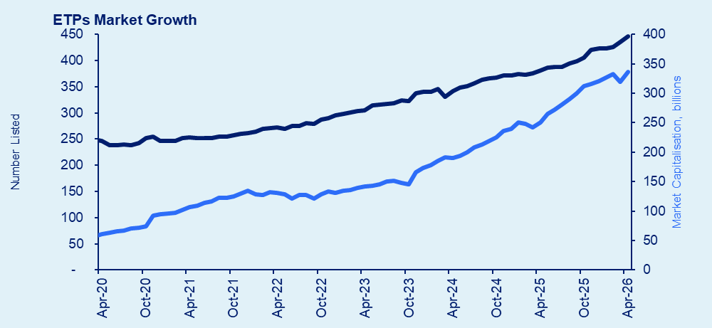
ETP Summary - April 2026 |  |  |  |  |  |  |  |  |  |  |  |  | Transaction days: 20 / Period ending: Thursday, 30 April 2026
Month: | Apr-26 |  | Transaction days: | 20 |  |  |  |  | Period ending: |  | 2026-04-30
ETPs Market Growth
 | # on issue + MFSA | Market Cap + MFSA
42062 | 108 | 16980444309
42094 | 110 | 17781602575
42124 | 111 | 17986274313
42153 | 131 | 18765449975
42185 | 140 | 18476092671
42216 | 141 | 19873438554
42247 | 144 | 19248031282
42277 | 145 | 19329588843
42307 | 145 | 20668509766
42338 | 162 | 20963399354
42369 | 171 | 21350907028
42398 | 171 | 20426278901
42429 | 171 | 20614456156
42460 | 161 | 21334751136
42489 | 163 | 21850946971
42521 | 174 | 23215682215
42551 | 176 | 22464287275
42580 | 178 | 23358656489
42613 | 184 | 23598555543
42643 | 185 | 24108028364
42674 | 199 | 24058774921
42704 | 198 | 24684203780
42734 | 199 | 25752638860
42766 | 202 | 25234498959
42794 | 203 | 26142306641
42825 | 203 | 27403254268
42853 | 205 | 28304072275
42886 | 207 | 29071094574
42916 | 213 | 29478106941
42947 | 213 | 30068084730
42978 | 213 | 30910358500
43007 | 217 | 31986687800
43039 | 217 | 33484332479
43069 | 223 | 35502314882
43098 | 227 | 35961235083
43131 | 227 | 36551852976
43159 | 229 | 36890577693
43189 | 230 | 36602621844
43220 | 233 | 37909503904
43251 | 234 | 38441643645
43280 | 228 | 39167438484
43312 | 226 | 39983805145
43343 | 225 | 41467949402
43371 | 236 | 42614197856
43404 | 237 | 40792061229
43434 | 248 | 40985447048
43465 | 248 | 40763086775
43496 | 247 | 42626926481
43524 | 243 | 44797724909
43553 | 242 | 46112806664
...
ETP Market Activity
 | 12mth roll ave Value pm |  | 12mth roll ave trades pm
42062 | 1189610039.3 | 42034 | 36204.25
42094 | 1269459750.9 | 42062 | 37959.75
42124 | 1372082270.2 | 42094 | 40079.333333
42153 | 1449712259.3 | 42124 | 41568.25
42185 | 1519757076.8 | 42153 | 43525.583333
42216 | 1581451423.6 | 42185 | 45922.5
42247 | 1684935552.7 | 42216 | 49786.583333
42277 | 1707263712.8 | 42247 | 51510.916667
42307 | 1717621810.8 | 42277 | 52325.166667
42338 | 1752482694 | 42307 | 54457.25
42369 | 1765803113.4 | 42338 | 55713.083333
42398 | 1792536865.6 | 42369 | 57714.083333
42429 | 1804616503.4 | 42398 | 59394.833333
42460 | 1781548351.2 | 42429 | 60362.833333
42489 | 1732658008.7 | 42460 | 60753
42521 | 1744279145.8 | 42489 | 61902.666667
42551 | 1813072143.9 | 42521 | 63035
42580 | 1821978617.7 | 42551 | 62264.5
42613 | 1817453353.8 | 42580 | 60718.916667
42643 | 1859448390.9 | 42613 | 61124.833333
42674 | 1878082219.7 | 42643 | 61534.25
42704 | 1945884987.7 | 42674 | 63349.833333
42734 | 1948149717.9 | 42704 | 63949.833333
42766 | 1957009998.4 | 42734 | 63675.416667
42794 | 1995191215.2 | 42766 | 63189
42825 | 2082927776.6 | 42794 | 64406.75
42853 | 2098232088.1 | 42825 | 65045.583333
42886 | 2147438440.5 | 42853 | 66918.083333
42916 | 2200182470 | 42886 | 68887.916667
42947 | 2276548783.6 | 42916 | 72150.25
42978 | 2346194369.8 | 42947 | 75407.25
43007 | 2351877939.3 | 42978 | 76916.583333
43039 | 2421676448.1 | 43007 | 79618.25
43069 | 2517087494.4 | 43039 | 80716.5
43098 | 2596343385.9 | 43069 | 82341.166667
43131 | 2639796686.6 | 43098 | 84934.916667
43159 | 2759756220.7 | 43131 | 89287.75
43189 | 2771795419.3 | 43159 | 89897.333333
43220 | 2839236807.2 | 43189 | 90859.583333
43251 | 2868285810.9 | 43220 | 91776.833333
43280 | 2815315727.4 | 43251 | 91959.166667
43312 | 2822428528.4 | 43280 | 92656
43343 | 2839754495.6 | 43312 | 93971.833333
43371 | 2878610211.6 | 43343 | 95193.083333
43404 | 2979859841 | 43371 | 99984.25
43434 | 2965281764.1 | 43404 | 101124.75
43465 | 2984119373.3 | 43434 | 102107.5
43496 | 2990631361.2 | 43465 | 101779.75
43524 | 2951680515.3 | 43496 | 100495.16667
43553 | 3017803216 | 43524 | 102729.25
...

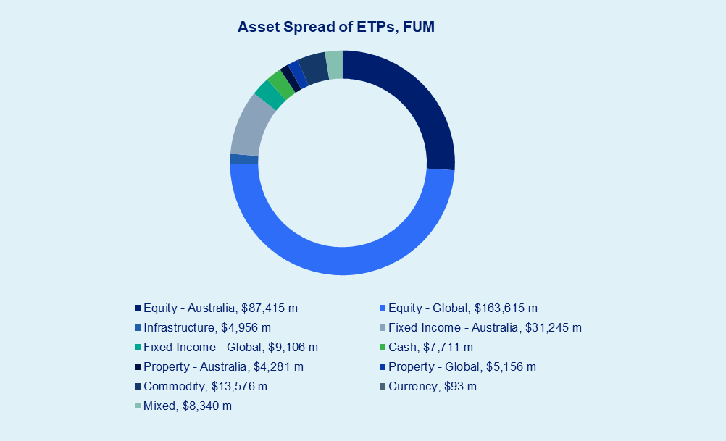
Asset Spread of ETPs, FUM
Equity - Australia, $87,415 m | 87415446584
Equity - Global, $163,615 m | 1.6361494045E+11
Infrastructure, $4,956 m | 4956202775.4
Fixed Income - Australia, $31,245 m | 31245469259
Fixed Income - Global, $9,106 m | 9106448123.9
Cash, $7,711 m | 7710508656.9
Property - Australia, $4,281 m | 4280959978.6
Property - Global, $5,156 m | 5156322822.5
Commodity, $13,576 m | 13575565810
Currency, $93 m | 93249551.8
Mixed, $8,340 m | 8340009966.9
Crypto Assets, $398 m
Total, $335,893 m
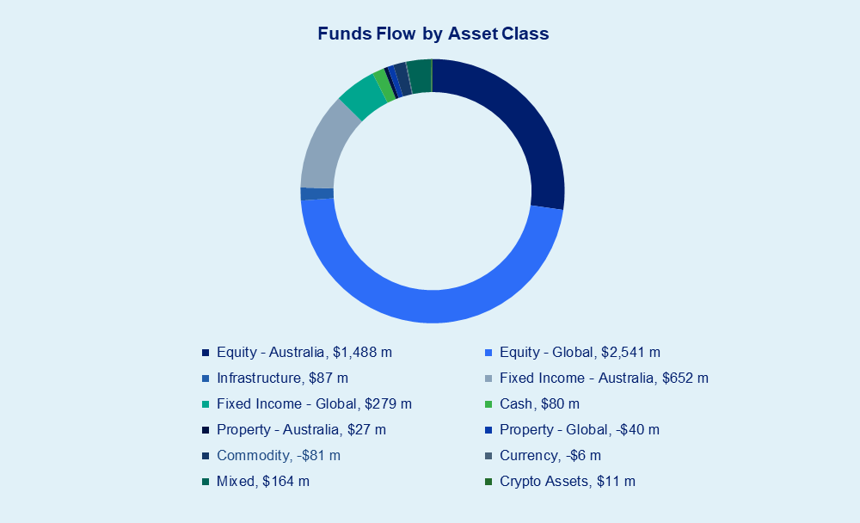
Funds Flow by Asset Class
Equity - Australia, $1,488 m | 1487.9827119
Equity - Global, $2,541 m | 2541.3083743
Infrastructure, $87 m | 86.50722959
Fixed Income - Australia, $652 m | 652.23064601
Fixed Income - Global, $279 m | 279.19466305
Cash, $80 m | 80.090166
Property - Australia, $27 m | 26.681554
Property - Global, -$40 m | -39.50437444
Commodity, -$81 m | -81.4631221
Currency, -$6 m | -6.284772
Mixed, $164 m | 163.86882896
Crypto Assets, $11 m | 10.574706

 |  |  | FUM | FUM Change | Funds Flow | 12M Funds Flow | CHESS FUM | CHESS FUM Change | CHESS Funds Flow | 12M CHESS Funds Flow | Value Traded
Issuer |  | Products | ($m) | ($m) | ($m) | ($m) | ($m) | ($m) | ($m) | ($m) | ($m) | Transactions
abrdn / MSC |  | 1 | $1.8 | $0.2 | $0.0 | $0.4 | $1.8 | $0.2 | $0.0 | $0.4 | $0.0 | 62
Alphinity / Fidante |  | 2 | $392.1 | $10.4 | -$14.7 | -$292.9 | $21.7 | -$0.9 | -$2.3 | -$11.6 | $2.6 | 144
American Century / EQT |  | 3 | $32.6 | $32.6 | $2.5 | $2.5 | $16.6 | $16.6 | $16.6 | $16.6 | $2.7 | 815
Antipodes / Pinnacle |  | 2 | $487.8 | $20.7 | $7.7 | $102.1 | $441.6 | $16.4 | $5.5 | $100.3 | $16.2 | 1,023
Aoris / Trust Company |  | 2 | $286.8 | $14.0 | -$1.7 | $71.2 | $286.9 | $14.1 | -$1.7 | $89.8 | $6.7 | 404
Apostle Dundas / K2 |  | 1 | $14.6 | $0.4 | -$0.2 | -$3.9 | $14.8 | $0.6 | -$0.0 | -$3.6 | $0.4 | 29
Ardea / Fidante |  | 1 | $157.4 | -$1.2 | -$2.6 | -$65.3 | $157.7 | -$0.5 | -$2.0 | -$66.1 | $4.5 | 440
Associate Global Partners |  | 2 | $412.4 | $22.2 | $1.8 | -$2.4 | $400.8 | $21.5 | $1.6 | -$4.9 | $11.0 | 1,480
Ausbil |  | 3 | $958.4 | $0.5 | -$17.7 | $78.7 | $41.6 | $2.8 | $2.0 | $41.7 | $2.8 | 135
Bell / Perpetual |  | 1 | $195.2 | -$20.6 | -$19.1 | $196.1 | $7.8 | $1.1 | $1.1 | $7.8 | $0.1 | 5
Betashares |  | 103 | $67,437.4 | $3,818.1 | $1,305.2 | $14,784.7 | $67,451.8 | $3,702.5 | $1,156.1 | $13,702.1 | $6,830.9 | 458,295
Candriam / Ausbil |  | 1 | $182.5 | $12.8 | $1.1 | $26.0 | $0.5 | $0.1 | $0.1 | $0.5 | $0.1 | 3
Claremont |  | 2 | $104.0 | -$1.0 | -$3.2 | -$43.6 | $28.1 | $0.7 | $0.1 | -$1.5 | $1.6 | 81
ClearBridge / Franklin Templeton |  | 3 | $3,255.9 | -$89.4 | $31.1 | $337.9 | $74.6 | $4.0 | $6.7 | $37.7 | $4.3 | 242
Daintree / Perennial |  | 2 | $107.3 | $1.3 | $0.2 | $11.2 | $74.7 | $0.3 | -$0.0 | $9.8 | $4.2 | 175
Digital X / K2 |  | 1 | $39.8 | $2.8 | -$0.0 | $9.5 | $39.7 | $2.8 | -$0.0 | $9.1 | $1.1 | 410
DFA |  | 6 | $18,703.9 | $719.0 | $139.7 | $948.5 | $704.7 | $42.4 | $18.3 | $271.6 | $42.9 | 3,682
Ellerston |  | 1 | $38.8 | $4.8 | -$0.7 | -$1.4 | $37.6 | $4.7 | -$0.8 | -$1.4 | $1.5 | 117
ETF Shares |  | 5 | $66.9 | $11.0 | $3.0 | $7.9 | $66.9 | $11.0 | $3.1 | $69.2 | $2.5 | 436
Fidelity |  | 5 | $216.2 | $14.3 | $1.4 | $0.3 | $216.1 | $14.3 | $1.5 | -$0.9 | $9.1 | 1,624
Firetrail / Pinnacle |  | 3 | $544.1 | $40.3 | $21.4 | $240.9 | $249.7 | $24.8 | $16.5 | $180.4 | $24.5 | 2,120
First Sentier / Perpetual |  | 2 | $222.0 | $12.7 | $2.9 | $69.0 | $16.1 | $1.1 | $0.5 | $18.2 | $1.3 | 249
Franklin Templeton |  | 3 | $1,376.4 | -$1.6 | -$21.5 | -$147.3 | $63.6 | $0.8 | $0.3 | $31.6 | $1.5 | 214
GCQ / EQT |  | 2 | $283.5 | $31.2 | $12.9 | $266.2 | $282.5 | $31.1 | $13.4 | $271.9 | $22.2 | 733
Global X |  | 47 | $16,418.3 | $824.2 | $492.4 | $3,268.1 | $16,392.9 | $847.8 | $522.4 | $3,273.4 | $1,850.2 | 153,708
Hejaz / EQT |  | 5 | $78.5 | $7.7 | $1.6 | -$6.4 | $37.9 | $4.3 | $1.6 | -$0.5 | $2.8 | 601
Hyperion / Pinnacle |  | 1 | $3,335.5 | $327.8 | $10.4 | $201.0 | $1,002.8 | $105.5 | $11.1 | $172.7 | $39.1 | 3,578
IML |  | 2 | $25.3 | $0.5 | $0.6 | $23.3 | $25.0 | $0.5 | $0.6 | $22.6 | $0.7 | 38
InvestSMART |  | 4 | $285.0 | $8.7 | -$4.4 | -$17.8 | $249.3 | $8.0 | -$3.5 | -$13.6 | $6.6 | 458
iShares |  | 51 | $57,715.8 | $3,326.2 | $808.5 | $8,606.7 | $57,674.3 | $3,471.1 | $963.1 | $8,689.3 | $3,449.1 | 249,677
Janus Henderson |  | 2 | $6.4 | $0.2 | $0.0 | $3.1 | $6.4 | $0.2 | $0.0 | $3.2 | $0.3 | 41
JPMAM / Perpetual |  | 12 | $413.8 | $16.2 | $9.9 | $103.2 | $413.7 | $15.4 | $9.2 | $96.1 | $31.2 | 4,450
K2 |  | 1 | $3.6 | -$5.4 | -$5.6 | -$9.0 | $3.9 | -$1.3 | -$1.3 | -$4.2 | $2.2 | 95
L1 Capital / EQT |  | 2 | $497.8 | $31.6 | $7.4 | $169.3 | $131.3 | $9.7 | $3.1 | $44.7 | $6.6 | 391
Lakehouse Capital |  | 1 | $209.9 | -$2.9 | -$3.7 | -$2.9 | $18.8 | $2.0 | $2.0 | $17.7 | $1.2 | 410
Lanyon Investment |  | 1 | $151.0 | $5.1 | -$0.9 | -$11.3 | $12.7 | $1.2 | $0.8 | $5.4 | $0.8 | 28
Loftus Peak / EQT |  | 2 | $858.1 | $101.1 | -$0.3 | $155.1 | $330.6 | $41.2 | $3.3 | $52.7 | $11.4 | 908
Loomis / IML |  | 1 | $39.2 | $3.3 | $0.6 | $9.1 | $25.0 | $2.1 | $0.4 | $3.0 | $1.3 | 100
Macquarie |  | 8 | $2,049.8 | $153.7 | $130.2 | $1,439.1 | $2,049.8 | $153.7 | $129.8 | $1,541.9 | $199.4 | 6,686
Magellan |  | 5 | $6,829.9 | $171.7 | -$212.6 | -$1,750.1 | $2,616.0 | $63.6 | -$75.0 | -$746.2 | $133.4 | 4,891
Milford / EQT |  | 1 | $20.6 | -$0.1 | -$0.2 | -$4.3 | $20.6 | -$0.1 | -$0.2 | -$4.3 | $0.4 | 134
Montaka / Perpetual |  | 2 | $198.4 | $11.0 | -$1.3 | $41.7 | $66.0 | $3.1 | -$0.9 | -$0.7 | $2.0 | 91
Morningstar |  | 1 | $372.0 | $33.6 | $9.6 | $76.3 | $372.0 | $33.6 | $9.7 | $76.7 | $13.3 | 1,961
Munro / GSFM |  | 3 | $675.5 | $80.3 | $24.0 | $226.8 | $674.4 | $80.0 | $24.1 | $231.9 | $35.0 | 2,328
Muzinich / AGP |  | 1 | $1.8 | $1.8 | $0.8 | $0.8 | $0.6 | $0.6 | $0.6 | $0.6 | $0.8 | 56
Nanuk / EQT |  | 2 | $1,061.3 | $101.2 | $5.9 | $77.8 | $120.0 | $10.4 | -$0.2 | $11.3 | $4.1 | 392
Perennial |  | 2 | $59.1 | -$0.2 | -$0.3 | -$12.5 | $58.9 | -$0.1 | -$0.3 | -$12.6 | $1.0 | 373
Perpetual |  | 3 | $785.7 | $41.9 | $24.5 | $444.4 | $785.6 | $41.9 | $24.7 | $445.3 | $35.6 | 1,761
PIMCO |  | 1 | $14.4 | $0.6 | $0.6 | $14.4 | $14.4 | $0.6 | $0.6 | $14.4 | $0.6 | 40
Platinum |  | 2 | $377.4 | $22.1 | -$5.9 | $97.9 | $329.7 | $18.5 | -$5.9 | $42.4 | $11.0 | 598
Plato / Pinnacle |  | 1 | $1,228.0 | $125.9 | $59.0 | $932.2 | $1,227.1 | $125.8 | $59.6 | $1,053.0 | $90.3 | 6,682
Quay / Bennelong |  | 2 | $1,136.4 | $11.9 | -$54.8 | -$76.9 | $5.1 | $0.7 | $0.6 | $5.3 | $0.6 | 17
Resolution / Pinnacle |  | 2 | $2,187.4 | $146.4 | $6.2 | $187.3 | $361.0 | $26.9 | $4.6 | $58.0 | $13.8 | 2,182
Russell Investments |  | 6 | $1,443.2 | $5.5 | -$8.6 | $151.4 | $1,410.2 | $10.4 | -$2.8 | $159.0 | $70.2 | 2,287
Savana / K2 |  | 1 | $5.5 | $0.5 | $0.1 | $0.5 | $5.1 | $0.5 | $0.0 | $0.5 | $0.1 | 41
Schroders |  | 3 | $124.4 | $6.4 | $2.3 | $43.3 | $123.6 | $6.9 | $2.9 | $46.7 | $6.7 | 419
Seed / Evolution |  | 1 | $44.1 | $5.7 | $5.6 | $44.1 | $44.1 | $5.7 | $5.6 | $44.2 | $7.8 | 102
Spheria / Pinnacle |  | 1 | $1.6 | $1.6 | $1.6 | $1.6 | $1.6 | $1.6 | $1.6 | $1.6 | $0.6 | 25
StateStreet |  | 17 | $11,687.0 | $404.2 | $100.7 | $1,235.0 | $11,575.1 | $401.7 | $98.7 | $1,197.7 | $489.2 | 34,622
Ten Cap / Ironbark |  | 1 | $4.4 | $0.1 | $0.0 | $4.5 | $4.3 | $0.1 | $0.0 | $4.6 | $0.2 | 24
The Perth Mint |  | 1 | $2,500.1 | -$112.9 | -$13.6 | $540.5 | $2,488.8 | -$115.4 | -$15.9 | $226.5 | $264.0 | 15,602
VanEck |  | 52 | $32,299.3 | $1,224.2 | $346.8 | $5,657.8 | $32,271.1 | $1,227.5 | $348.0 | $5,673.5 | $1,549.7 | 128,166
Vanguard |  | 36 | $95,170.9 | $4,588.9 | $2,013.6 | $18,156.6 | $95,250.8 | $4,714.6 | $1,901.5 | $18,063.6 | $3,920.4 | 548,593
Vaughan / IML |  | 1 | $47.4 | $3.0 | $0.7 | $12.5 | $32.7 | $2.2 | $0.6 | $12.6 | $0.7 | 66
Ziller / Perennial |  | 1 | $11.1 | $0.7 | $0.5 | $1.0 | $0.9 | $0.5 | $0.5 | $0.9 | $0.4 | 11
Total |  | 446 | $335,892.88 | $16,329.15 | $5,201.19 | $56,631.19 | $298,932.09 | $15,235.68 | $5,261.90 | $55,279.53 | $19,249.54 | 1,645,551
...

Spotlight ETP List
Spotlight: ETPs
Spotlight: ETPs

Exchange Traded Product Summary - April 2026
IRESS Watchlist: /ETFASX |  |  | Activity
ASX Code | Type | Fund Name | MER (% p.a) ## | FUM ($m)# | FUM ($m) Change | Funds Inflow / Outflow ($m) ** | 12M Funds Inflow / Outflow ($m) ** | CHESS FUM ($m)# | CHESS FUM ($m) Change | CHESS Funds Inflow / Outflow ($m) *** | 12M CHESS Funds Inflow / Outflow ($m) *** | Transacted Value ($) | Transacted Volume | Number of Trades
Equity - Australia
A200 | ETF | Betashares Australia 200 ETF | 0.04 | 9,521.71 | 328.03 | 209.35 | 1,975.34 | 9,517.29 | 328.01 | 205.78 | 1,984.54 | 384,104,647 | 2,598,982 | 31,748
A300 | ETF | Global X Australia 300 ETF | 0.04 | 10.66 | 0.20 | 0.01 | 10.65 | 10.65 | 0.20 | 0.01 | 10.81 | 1,671,599 | 32,145 | 402
IOZ | ETF | iShares Core S&P/ASX 200 ETF | 0.05 | 8,526.35 | 257.84 | 159.96 | 1,288.20 | 8,504.75 | 330.13 | 230.24 | 1,276.13 | 474,526,365 | 13,383,949 | 32,984
ILC | ETF | iShares S&P/ASX 20 ETF | 0.24 | 744.17 | 10.44 | 6.24 | 9.21 | 741.51 | 7.97 | 3.61 | 8.76 | 24,031,378 | 691,361 | 1,625
MVW | ETF | VanEck Australian Equal Weight ETF | 0.35 | 3,157.26 | 74.36 | (16.25) | 454.41 | 3,144.93 | 74.06 | (15.91) | 454.50 | 122,707,270 | 3,253,108 | 8,323
...

Spotlight mFund List
Spotlight: mFund
Spotlight: mFund

mFund Product Summary - April 2026
IRESS Watchlist: /MFUND |  |  | Activity
ASX Code | Type* | Fund Name | MER (% p.a) | FUM ($m)# | FUM ($th) Change | Funds Inflow / Outflow ($ths) *** | Transaction Value ($) | Transaction Volume | Number of Transactions | Monthly Liquidity %
Equity - Australia
AXW07 | mFund | Ausbil Australian Concentrated Equity Fund | 0.75% | 0.0 | (0.70) | (0.73) | 23,772 | 1,421 | 1 | n/a
AXW08 | mFund | Ausbil Active Sustainabel Equity Fund | 1.00% | 0.0 | (0.31) | (0.31) | 21,401 | 1,134 | 1 | n/a
AXW01 | mFund | Ausbil Australian Active Equity | 0.87% | 0.0 | (5.55) | (5.73) | 498,175 | 110,034 | 13 | n/a
AXW04 | mFund | Ausbil Australian Geared Equity | 1.20% | 0.0 | (4.67) | (4.97) | 235,186 | 148,026 | 5 | n/a
AXW05 | mFund | Ausbil 130/30 Focus Fund | 1.00% | 0.0 | (1.75) | (1.78) | 23,167 | 15,100 | 1 | n/a
...

Spotlight LIC List
Spotlight: Listed Investment Vehicles
(incl. Listed Investment Companies & Listed Investment Trusts)

Listed Investments Summary - April 2026
IRESS Watchlist: /XIC |  |  | Activity
ASX Code | Type | Fund Name | MER (% p.a) | Outperf Fee | Mkt Cap ($m)# | Mkt Cap ($m) Change | Transacted Value ($) | Transacted Volume | Number of Transactions | Monthly Liquidity % | Prem/Disc % NTA (pre-tax) at NTA Date | NTA Date
Equity - Australia
AFI | Shares | Australian Foundation Investment Company Limited | 0.16 | No | 8,269.79 | 112.65 | 127,422,824 | 19,111,211 | 23,147 | 1.54% | -13.7% | 2026-03-31
AMH | Shares | AMCIL Limited | 0.56 | No | 290.91 | 10.61 | 2,829,034 | 3,060,919 | 366 | 0.97% | -13.2% | 2026-03-31
ARG | Shares | Argo Investments Limited | 0.18 | No | 6,601.76 | 136.59 | 102,215,209 | 11,743,923 | 13,240 | 1.55% | -16.8% | 2026-03-31
AUI | Shares | Australian United Investment Company Limited | 0.13 | No | 1,352.63 | 56.98 | 9,924,141 | 916,688 | 1,821 | 0.73% | -18.9% | 2026-03-31
BKI | Shares | BKI Investment Company Limited | 0.19 | No | 1,432.66 | 68.61 | 15,314,398 | 8,892,741 | 1,575 | 1.07% | -15.5% | 2026-03-31
CAM | Shares | Clime Capital Limited | n/a | n/a | 100.26 | 1.03 | 2,656,621 | 3,754,855 | 340 | 2.65% | -13.4% | 2026-03-31
...

Spotlight A-REITS List
Spotlight: AREITs
Spotlight: AREITs

AREIT Product Summary - April 2026
ASX A-REIT Profiles |  |  | Activity |  |  |  |  |  | Prices
ASX Code | Type | Fund Name | Mkt Cap ($m)# | Mkt Cap Change ($m) | Transacted Value ($) | Transacted Volume | Number of Trades | Monthly Liquidity % | Last | Year High | Year Low
Property - Australia
ABG | Stapled | Abacus Group | 911.53 | 4.47 | 41,601,575 | 42,379,481 | 30,571 | 4.6% | 1.02 | 1.30 | 0.94
AOF | Fpo | Australian Unity Office Fund | 60. | 3.29 | 3,968,209 | 11,041,299 | 426 | 6.6% | 0.37 | 0.49 | 0.34
APW | Ord Units | Aims Property Securities Fund | 143.35 | 0.89 | 40,678 | 12,741 | 51 | 0.0% | 3.20 | 3.60 | 2.45
APZ | Stapled | Aspen Group | 1,088.24 | 47.81 | 66,937,395 | 14,025,545 | 68,845 | 6.2% | 4.78 | 6.43 | 3.00
ARF | Stapled | Arena REIT. | 1,340.95 | 16.20 | 82,263,535 | 24,173,602 | 57,913 | 6.1% | 3.31 | 4.10 | 3.12
BWF | Fpo | Blackwall Limited | 25.69 | (0.86) | 264,996 | 1,746,497 | 135 | 1.0% | 0.15 | 0.47 | 0.15
...

Spotlight Infra List
Spotlight: Infrastructure
Spotlight: Infrastructure

Infrastructure Summary - April 2026
ASX Infrastructure Fund Profiles |  |  | Activity |  |  |  |  |  |  | Prices
ASX Code | Type* | Fund Name | Mkt Cap ($m) | Mkt Cap Change ($m) | Transacted Value ($) | Transacted Volume | Number of Trades | Monthly Liquidity % | $ Spread | Last ($) | Year High ($) | Year Low ($)
Equity - Infrastructure
APA | Stapled | APA Group | 13,687.59 | 516.26 | 785,889,668 | 79,155,580 | 196,614 | 5.7% |  | 10.34 | 10.60 | 8.08
ALX | Stapled | Atlas Arteria | 6,964.94 | 754.54 | 479,221,290 | 106,409,639 | 116,508 | 6.9% |  | 4.80 | 5.54 | 4.20
TCL | Stapled | Transurban Group | 43,682.57 | (31.20) | 1,994,385,910 | 144,893,542 | 271,855 | 4.6% |  | 14.00 | 15.25 | 13.21
Australian Indices
XJOAI | Index | S&P/ASX 200 Accumulation |  |  |  |  |  |  |  | 118,369.18 | 124,879.55 | 108,472.07
XSOAI | Index | S&P/ASX Small Ords Accumulation |  |  |  |  |  |  |  | 12,077.73 | 13,901.02 | 10,784.32
...
Past Performance is not a reliable indicator of future performance.

Andrew Weaver
Senior Manager,
Investment Product Specialists
+61 2 9227 0575
andrew.weaver@asx.com.au
Rory Cunningham
Senior Manager,
Investment Products
+61 2 9227 0171
rory.cunningham@asx.com.au
Aaron Satyadasan
Senior Analyst
+61 2 9227 0394
aaron.satyadasan@asx.com.au
Connor Robison
Strategy Analyst
+61 401 656 514
connor.robison@asx.com.au
Aaron Viscayno
Business Development Manager
+61 2 9227 0776
aaron.viscayno@asx.com.au

Information provided does not constitute financial product advice. You should obtain independent advice from an Australian financial services licensee before making any financial decisions. Although ASX Limited ABN 98 008 624 691 and its related bodies corporate (“ASX”) has made every effort to ensure the accuracy of the information as at the date of publication, ASX does not give any warranty or representation as to the accuracy, reliability or completeness of the information. To the extent permitted by law, ASX and its employees, officers and contractors shall not be liable for any loss or damage arising in any way (including by way of negligence) from or in connection with any information provided or omitted or from any one acting or refraining to act in reliance on this information.

© Copyright 2024 ASX Operations Pty Limited ABN 42 004 523 782. All rights reserved 2024
All values are as at Apr-26. Month Total return, 1/3&5 year annualised return data provided by Bloomberg. Dividends are reinvested. Gross dividends are used in the calculation for returns. Price is used to calculate total returns.
...

